Kursk Battle
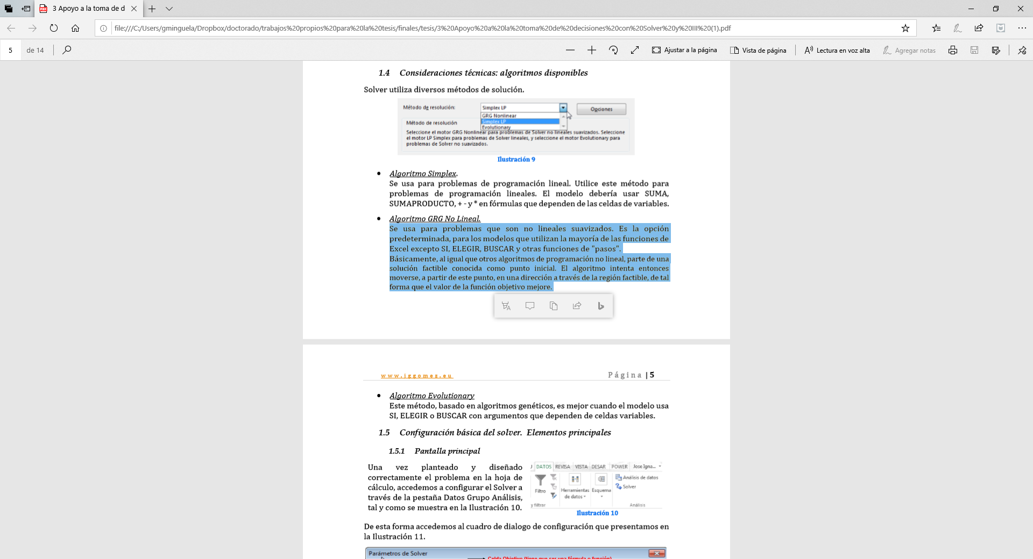
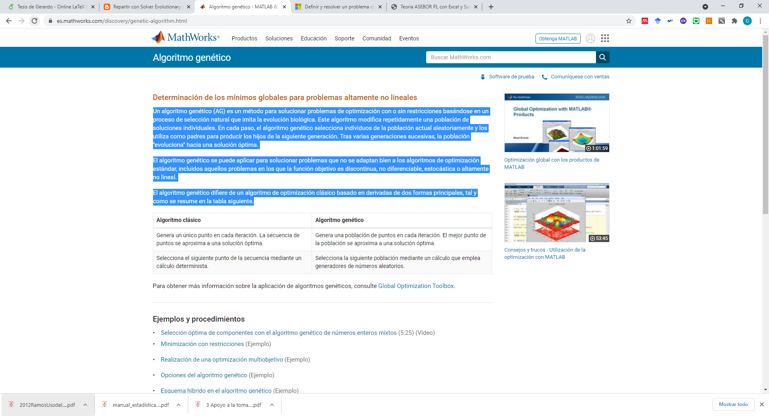
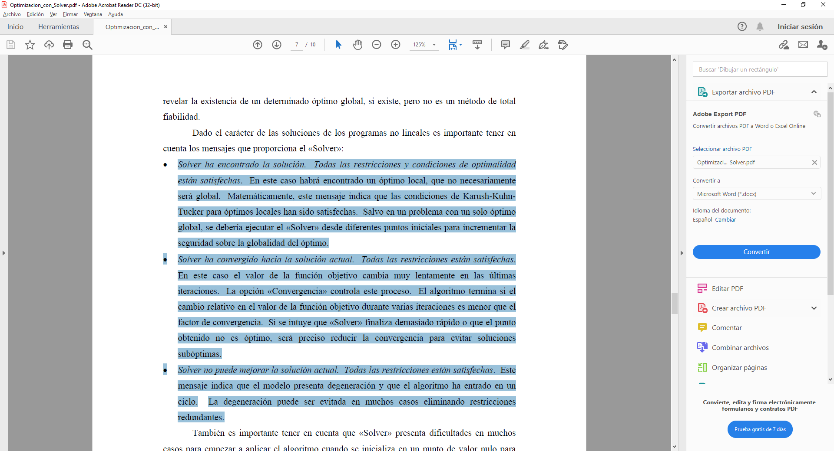
In the biginning | Soviet troops | German troops | Soviet reinforcements | German reinforcement | German casualties | Soviet casualties | Soviet | German | Soviet estimated | German estimated | x-x | y-y | Least-Squares | p | 0.45114245521 | Log estimation | 1.24E-04 | German | 2.19E-07
1 | 84783 | 247866 | 0 | 0 | 5863 | 8268 | 84783 | 247866 | 84783 | 247866 | 0 | 0 | 0 | q | 0.92604196197 |  | 4.05E-04 | Soviet | 5.89E-08
2 | 141589 | 261368 | 56806 | 21770 | 3604 | 8888 | 141589 | 261368 | 140360.87438 | 262938.60355 | 1228.1256173 | -1570.6035506 | 3975088.0449 | Ver solver |  |  | 1 | h
3 | 163378 | 211212 | 25393 | -41268 | 3047 | 8898 | 163378 | 211212 | 163742.21698 | 212790.47578 | -364.21697731 | -1578.475784 | 2624239.8071 | 21.997759507 |  | Fase 1
4 | 145875 | 227314 | -14456 | 25000 | 2744 | 7534 | 145875 | 227314 | 147177.30341 | 229965.15825 | -1302.3034145 | -2651.1582489 | 8724634.2442 |  | 0.018014123361 | Log estimation | 2.75E-01 | German
5 | 179607 | 224664 | 36476 | 4884 | 2623 | 8608 | 179607 | 224664 | 181674.6368 | 226835.66508 | -2067.6368018 | -2171.6650803 | 8991251.1655 |  | 0.72300628624 |  | 8.60E-01 | Soviet
6 | 166526 | 200686 | -10458 | -15370 | 1848 | 8138 | 166526 | 200686 | 168826.74768 | 202764.65225 | -2300.7476829 | -2078.6522513 | 9614235.0823 | 91.10040164 |  | Fase 2
7 | 219343 | 232938 | 54665 | 40390 | 2360 | 6634 | 219343 | 232938 | 221368.98598 | 235567.41571 | -2025.9859816 | -2629.4157108 | 11018446.178 |  | 0.01809887152 | Log estimation | 3.22E-01 | German
8 | 252844 | 262920 | 35861 | 36616 | 2575 | 18072 | 252844 | 262920 | 254310.85588 | 262332.45355 | -1466.8558816 | 587.54644911 | 2496877.0072 |  | 0.73365446649 |  | 7.83E-01 | Soviet
9 | 175121 | 279697 | -75148 | 34849 | 2031 | 8688 | 175121 | 279697 | 175678.43427 | 285595.29737 | -557.43427437 | -5898.2973657 | 35100644.785
10 | 206465 | 208498 | 33375 | -62511 | 1677 | 6148 | 206465 | 208498 | 206482.96708 | 212476.26107 | -17.967075616 | -3978.2610724 | 15826883.976 | 161.10712986 | 0.90808715746 | Log estimation | 3.07E-02 | German
11 | 89898 | 226075 | -114890 | 23725 | 1064 | 2472 | 89898 | 226075 | 88980.544075 | 227524.68577 | 917.45592517 | -1449.6857727 | 2943314.2143 |  | 0 |  | 1.66E-01 | Soviet
12 | 87769 | 131800 | -1065 | -91803 | 469 | 2114 | 87769 | 131800 | 86679.882102 | 129398.50269 | 1089.1178984 | 2401.4973125 | 6953367.1387
13 | 37981 | 149438 | -49319 | 19752 | 495 | 457 | 37981 | 149438 | 36425.929378 | 145445.13753 | 1555.0706219 | 3992.8624682 | 18361195.329 |  | 0.90485740293 | Log estimation | 2.87E-02 | German
14 | 119346 | 188079 | 81860 | 39098 | 807 | 2404 | 119346 | 188079 | 117844.32616 | 181750.67389 | 1501.6738419 | 6328.3261121 | 42302735.708 | 176.40153098 | 0 |  | 1.57E-01 | Soviet
Kursk evolution
 |  |  |  |  |  |  |  |  |  |  |  |  | 120.6663662
 |  |  |  |  |  |  |  |  |  |  |  |  |  | Xmean | 147894.64286
 |  |  |  |  |  |  |  |  |  |  |  |  |  | Ymean | 234811.92308

 |  |  |  |  |  |  |  |  |  |  |  |  |  | Historical serial value
 |  |  |  |  |  |  |  |  |  |  |  |  |  | p | 1.2382021783 | Log estimation | 2.06E-06
 |  |  |  |  |  |  |  |  |  |  |  |  |  | q | 0.45433276184 |  | 1.04E-05
 |  |  |  |  |  |  | (X-Xestimated)^2 | (Y-Yestimated)^2 | Columna1 | (X-Xmean)^2 | (Y-Ymean)^2
 |  |  |  |  |  |  | 0 | 0 |  | 3983079464.1 | 170408924.31
 |  |  |  |  |  |  | 1508292.5319 | 2466795.513 |  | 8690513387 | 68313231424
 |  |  |  |  |  |  | 132654.00656 | 2491585.8006 |  | 26692370884 | 44610508944
p evolution
 | 0.018014123361
 | 0.01809887152
 | 0.90808715746
 | 0.90485740293
q evolution
 | 0.72300628624
 | 0.73365446649
 | 0
 | 0
 |  |  |  |  |  |  | 1695994.1834 | 7028640.0608 |  | 21279515625 | 51671654596
 |  |  |  |  |  |  | 4275121.9443 | 4716129.2212 |  | 32258674449 | 50473356539
 |  |  |  |  |  |  | 5293439.9006 | 4320795.1818 |  | 27730496292 | 40274688240
 |  |  |  |  |  |  | 4104619.1976 | 6913826.9804 |  | 48111152340 | 54260111844 |  | R^2= | 0.99982480045
 |  |  |  |  |  |  | 2151666.1773 | 345210.82987 |  | 63930088336 | 69126926400 |  | R^2= | 0.99982480045 | 0≤ R^2 ≤ 1
Casualties evolution
 |  |  |  |  |  |  | 310732.97024 | 34789911.814 |  | 30667364641 | 78230411809
 |  |  |  |  |  |  | 322.81580618 | 15826561.16 |  | 42627796225 | 43471416004
 |  |  |  |  |  |  | 841725.37464 | 2101588.8397 |  | 8081650404 | 51109905625
 |  |  |  |  |  |  | 1186177.7967 | 5767189.342 |  | 7703397361 | 17371240000
 |  |  |  |  |  |  | 2418244.6392 | 15942950.69 |  | 1442556361 | 22331715844
 |  |  |  |  |  |  | 2255024.3275 | 40047711.381 |  | 14243467716 | 35373710241
 |  |  |  |  |  | RSS= | 26174015.866 | 142758896.81 | SST | 3.3744212348E+11 | 6.2678928643E+11 | SSR | 9.6406247701E+11

a evolution "German lethality"
 | 2.75E-01
 | 3.22E-01
 | 3.07E-02
 | 2.87E-02
b evolution "Soviet lethality"
 | 8.60E-01
 | 7.83E-01
 | 1.66E-01
 | 1.57E-01

 |  |  |  |  | Lucas and Dinges Set Point |  |  |  |  |  | R^2 | Mi experimiento |  |  |  |  | R^2
 |  |  |  | Lineal Law | p | 1 | Log estimation | 5.89E-08 | German |  | 0.99973897597 | p | 0.61019059021 | Log estimation | 6.66E-02 | German | 0.99976670566
 |  |  |  |  | q | 1 |  | 2.19E-07 | Soviet |  |  | q | 0.23855438758 |  | 2.95E-01 | Soviet
 |  |  |  | Square Law
 |  |  |  |  | p | 1 | Log estimation | 1.37E-02 | German |  | 0.9899048228 | p | 0.39183342329 | Log estimation | 1.35E-02 | German | 0.9997980082
 |  |  |  |  | q | 0 |  | 3.33E-02 | Soviet |  |  | q | 0.59675096467 |  | 4.84E-02 | Soviet
 |  |  |  | Log Law
 |  |  |  |  | p | 0 | Log estimation | 1.06E-02 | German |  | 0.99531493469
 |  |  |  |  | q | 1 |  | 4.81E-02 | Soviet |  |  | p | 0.38950187378 | Log estimation | 1.62E-01 | German | 0.99977422682
 |  |  |  |  |  |  |  |  |  |  |  | q | 0.39190904099 |  | 6.26E-01 | Soviet

 |  |  |  | Mejor estimación conseguida
 |  |  |  |  | p | 0.41658518455 | Log estimation | 1.86E-06 | German |  | 0.99983525798
 |  |  |  |  | q | 1.309176209 |  | 5.36E-06 | Soviet

 | ADVY Fase I |  | Probability of being attaked= 100% |  |  | ADVY evolution Fase I |  | Probability of being attaked= 100%
 |  |  |  |  |  |  |  |  |  |  | ADVY Fase II |  | Probability of being attaked= 100% |  |  |  |  | ADVY evolution Fase II |  | Probability of being attaked= 100%
 |  |  |  | In µ> 0, then the defending side theoretically has the advantage; if In µ < 0 then attacking side has the adventage
 |  |  | -0.47941284238 |  |  |  |  | 0.31326648664 |  |  |  |  |  | In µ> 0, then the defending side theoretically has the advantage; if In µ < 0 then attacking side has the adventage
 |  |  |  |  |  |  |  |  |  |  |  |  | 0.40521656349 |  |  |  |  |  |  | 0.83351912121
 |  | 0.00013847049694 | Defensor |  |  |  | 0.66493173794 | Defensor
 |  |  |  |  |  |  |  |  |  |  |  | 0.75267323767 | Defensor |  |  |  |  |  | 0.16410917377 | Defensor
 |  | 0.000361218475 | Atacante |  |  |  | 0.35536712584 | Atacante
 |  |  |  |  |  |  |  |  |  |  |  | 0.33468776731 | Atacante |  |  |  |  |  | 0.030984703823 | Atacante
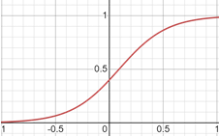
 | identifica alto riesgo de ser atacado. |  |  |  |  | identifica alto riesgo de ser atacado.
 |  |  | W=10% |  |  |  |  | W=66% |  |  | lo lógico sería pasar a ofensiva |  |  |  |  |  |  | lo lógico sería pasar a ofensiva
 |  |  |  |  |  |  |  |  |  |  |  |  | W=75% |  |  |  |  |  |  | W=95%

Probability of been rejected by the defender

 |  |  |  | Iteration | v | WinsDef
 |  |  |  | 1 | -0.47941284238 | 10%
 |  |  |  | 2 | 0.31326648664 | 66%
 |  |  |  | 3 | 0.40521656349 | 75%
 |  |  |  | 4 | 0.83351912121 | 95%

